Dashbaord 3
Attendance, Overtime & Componsation Anlytics
Workforce Attendance, Workload & Compensation Insights

Attendance %
Average Absense Days
Average Overtime Hours
Average Annual Salary
Average Salary Hike %
94.68%
3.4
15.9
788845
8.42%

 | Total
Customer Support | 93.87%
Data & Analytics | 96.33%
Engineering | 93.83%
Finance | 97.14%
Human Resources | 96.93%
Marketing | 96.63%
Operations | 93.64%
Sales | 94.76%
Attendance % By Department
 | Total
Customer Support | 510
Data & Analytics | 140
Engineering | 891
Finance | 88
Human Resources | 61
Marketing | 108
Operations | 358
Sales | 342
Absense Days By Department

Overtime Hours By Department
Overtime By Productivity
 | Total
Customer Support | 3428.5
Data & Analytics | 679
Engineering | 4107
Finance | 431
Human Resources | 264
Marketing | 376
Operations | 1252
Sales | 1176.5
 | Total
0 | 56.4
0.5 | 63.7
1 | 69.9
1.5 | 66.1
2 | 71.7
2.5 | 71.7
3 | 72.0
3.5 | 66.9
4 | 70.2
4.5 | 66.0
5 | 71.7
5.5 | 66.9
6 | 73.1
6.5 | 68.0
7 | 69.0
7.5 | 68.6
8 | 68.5
8.5 | 69.9
9 | 68.9
9.5 | 71.3
10 | 69.5
10.5 | 74.6
11 | 72.7
11.5 | 72.3
12 | 71.1
12.5 | 78.0
13 | 71.6
13.5 | 74.8
14 | 75.4
14.5 | 76.5
15 | 71.9
15.5 | 69.8
16 | 73.2
16.5 | 68.9
17 | 70.2
17.5 | 73.9
18 | 74.9
18.5 | 70.5
19 | 73.1
19.5 | 65.1
20 | 67.8
20.5 | 72.0
21 | 68.5
21.5 | 71.4
22 | 67.8
22.5 | 80.3
23 | 65.5
23.5 | 73.0
24 | 72.4
24.5 | 68.1
...

Average Salary By Job Level
 | Total
Customer Support | 39087.8
Data & Analytics | 90533.3
Engineering | 81566.4
Finance | 65635.4
Human Resources | 66758.1
Marketing | 57200.0
Operations | 50295.5
Sales | 67549.0
Average Salary By Department
 | Total
L1 - Entry | 4560000
L2 - Associate | 11149500
L3 - Senior | 15248500
L4 - Lead | 9923000
L5 - Manager | 7501500
Salary Distribution By Job Level
 | Total
L1 - Entry | 31232.9
L2 - Associate | 47647.4
L3 - Senior | 71589.2
L4 - Lead | 98247.5
L5 - Manager | 178607.1

Employee Performance & Producti
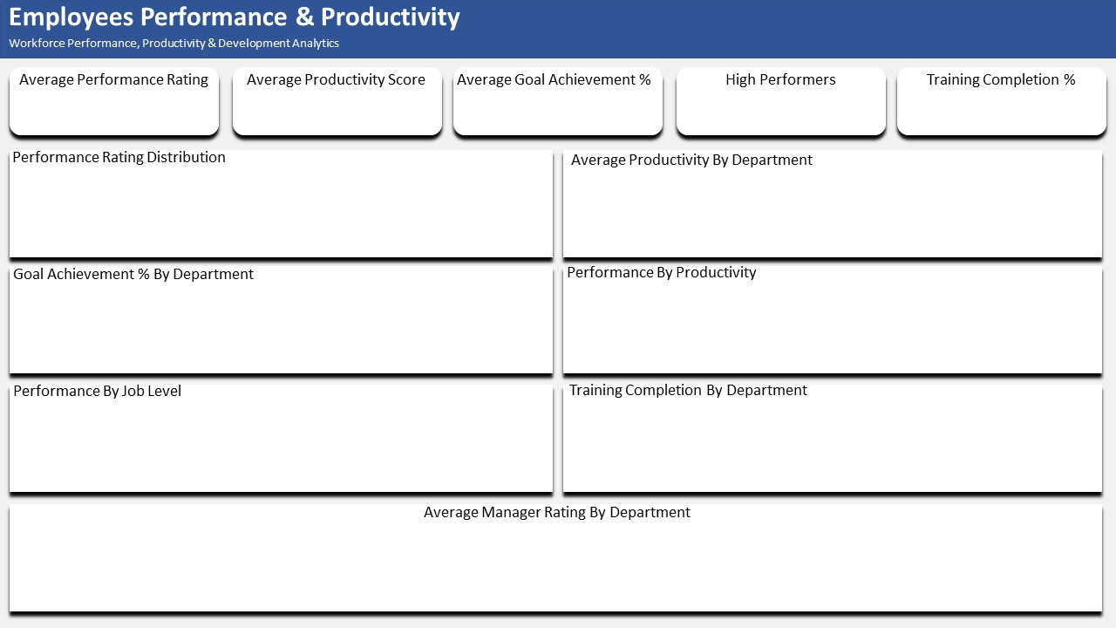

3.3
70.8
87.40%
74
77.58%

 | Total
1 | 29.0
2 | 88.0
3 | 339.0
4 | 206.0
5 | 74.0
 | Total
Customer Support | 71.8
Data & Analytics | 69.2
Engineering | 70.7
Finance | 72.6
Human Resources | 71.6
Marketing | 71.6
Operations | 70.1
Sales | 69.8

 | Total
Customer Support | 89.42%
Data & Analytics | 83.51%
Engineering | 87.47%
Finance | 89.72%
Human Resources | 86.96%
Marketing | 88.55%
Operations | 87.56%
Sales | 85.28%
 | Total
1 | 50.5
2 | 58.1
3 | 68.0
4 | 77.8
5 | 87.3

 | Total
L1 - Entry | 3.2
L2 - Associate | 3.3
L3 - Senior | 3.3
L4 - Lead | 3.4
L5 - Manager | 3.5
 | Total
Customer Support | 84.73%
Data & Analytics | 83.33%
Engineering | 83.63%
Finance | 62.50%
Human Resources | 61.29%
Marketing | 70.00%
Operations | 73.86%
Sales | 70.59%

 | Total
Customer Support | 3.5
Data & Analytics | 3.1
Engineering | 3.4
Finance | 3.6
Human Resources | 3.4
Marketing | 3.5
Operations | 3.4
Sales | 3.3

Workforce Overview & Planning
Workfoce Overview & Planning
Workforce Capacity, Staffing & Resource Planning

Total Employees
Required Workforce
Staffing Gap
Open Positions
Workfoce Utilization

736
815
79
79
90.31%

Employees By Job Level
Headcount By Location
 | Total
L1 - Entry | 146
L2 - Associate | 234
L3 - Senior | 213
L4 - Lead | 101
L5 - Manager | 42
 | Total
Bengaluru | 149
Chennai | 68
Delhi NCR | 102
Hyderabad | 111
Kolkata | 81
Mumbai | 86
Pune | 139

Headcount By Department
 | Total
Customer Support | 131
Data & Analytics | 60
Engineering | 226
Finance | 48
Human Resources | 31
Marketing | 50
Operations | 88
Sales | 102
 | Sum of Required_Wrokforce | Total Employees
Customer Support | 8643 | 131
Data & Analytics | 1190 | 60
Engineering | 25312 | 226
Finance | 802 | 48
Human Resources | 310 | 31
Marketing | 840 | 50
Operations | 2652 | 88
Sales | 3954 | 102
Required VS Current Employees By Department

Departments By Workload
Wrokload Level By Department
 | Total
Critical | 2
High | 10
Low | 3
Medium | 17
 | Total
Critical | 2
High | 10
Low | 3
Medium | 17

